Sheet1
 | Document No. |  | Issue No. | Issue Date |  | Review and Replace Date |  | Authorised By
 | GFF475MC |  | 1 | 15.11.2024 |  | New Issue
 | Document Title |  | Lidl Xmas - 8 Chicken Samosa w/ Mango & Coriander dip 240g
 |  |  |  |  |  |  |  | Magda Shah
Document amendments reason for change | New Launch |  | Page 1 of 1 |  | Previous Issue Date |  | New Issue | Uncontrolled copy unless signed original

CSAC-R5TLI |  | LIDL- XMAS |  | 8 Chicken Tikka Samosas with Mango & Coriander Dip 240g

 |  |  |  | 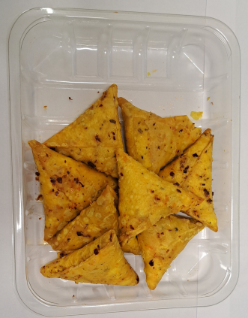

COOK DAY + 18 DAYS

Tray: HP-C5E- Clear Trays (PKHOL001-07) |  |  |  | 8 x Xmas Hot & Spicy Chicken Samosa 25g (GFF505R): 200g
Film: K Peel RPSM 25µm (340mmX1000lm)-(PKKMP001-05)
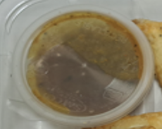 |  |  |  | 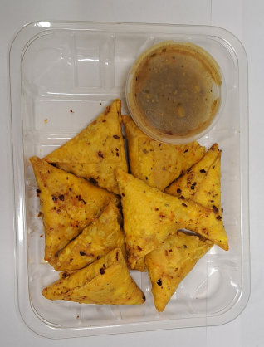

Mango and Coriander Dip (GFF498R): 40g |  |  |  | 8 Chicken Tikka Samosas w/ Mango & Corinader Dip 240g
Satco 2oz Pots with Lids (PKJEN001-03) |  |  |  |  |  |  | Total Weight: 240g
ALLERGY ALERT: Wheat, Soya

